Manufacture Info
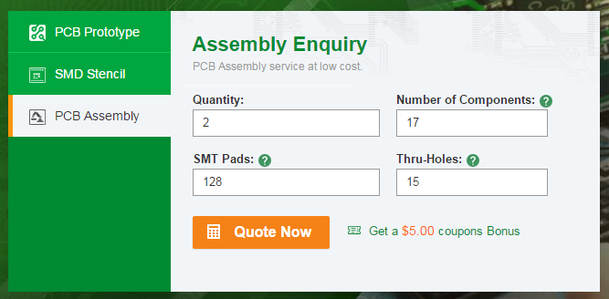
M

Board Dimensions:
50.8mm X 33.52 mm

